Calculations_India
(All figures in MW)
Year | 2015 | 2016 | 2017 | 2018 | 2019 | 2020 | 2021 | 2022 | 2023 | 2024 | 2025 | 2026 | 2027 | 2028 | 2029 | 2030 | 2031 | 2032 | 2033 | 2034 | 2035 | 2036 | 2037 | 2038 | 2039 | 2040 | 2041 | 2042 | 2043 | 2044 | 2045 | 2046 | 2047 | 2048 | 2049 | 2050
DR deployment (TPDDL study) | 5 | 5 | 12 | 15 | 20 | 25 | 28 | 31 | 34 | 37 | 42 | 42 | 42 | 43 | 43 | 43 | 43 | 43 | 43 | 43 | 44 | 44 | 44 | 45 | 45 | 46
Demand (TPDDL study) | 1766 | 1860 | 1954 | 2048 | 2142 | 2236 | 2330 | 2424 | 2518 | 2612 | 2706 | 2800 | 2894 | 2988 | 3082 | 3176 | 3270 | 3364 | 3458 | 3552 | 3646 | 3740 | 3834 | 3928 | 4022 | 4116
% | 0.28 | 0.27 | 0.61 | 0.73 | 0.93 | 1.12 | 1.20 | 1.28 | 1.35 | 1.42 | 1.55 | 1.50 | 1.45 | 1.44 | 1.40 | 1.35 | 1.31 | 1.28 | 1.24 | 1.21 | 1.21 | 1.18 | 1.15 | 1.15 | 1.12 | 1.12 | 1.12 | 1.12 | 1.12 | 1.12 | 1.12 | 1.12 | 1.12 | 1.12 | 1.12 | 1.12
India peak demand | 153366 | 170950 | 183668.7 | 197333.6 | 212015.3 | 227789.2 | 244753 | 259805.3 | 275783.3 | 292744.0 | 310747.8 | 329998 | 350292.9 | 371835.9 | 394703.8 | 418978.1 | 444745.2 | 472097.1 | 501131.0 | 531950.6 | 564665.6 | 599392.5 | 636255.1 | 675384.8 | 716921.0 | 761011.6 | 807813.8 | 857494.4 | 910230.3 | 966209.5 | 1025631.3 | 1088707.7 | 1155663.2 | 1226736.5 | 1302180.8 | 1382264.9
DR capacity | 214 | 226 | 555 | 712 | 975 | 1254 | 1448 | 1636 | 1834 | 2042 | 2375 | 2437 | 2503 | 2635 | 2711 | 2793 | 2880 | 2971 | 3068 | 3171 | 3355 | 3472 | 3595 | 3810 | 3949 | 4188 | 4445 | 4719 | 5009 | 5317 | 5644 | 5991 | 6359 | 6750 | 7165 | 7606
CAGR (2016-21) | 7.44
CAGR (2021-26) | 6.15

Potential | 10002 | 11149 | 11978 | 12869 | 13827 | 14855 | 15962 | 16943 | 17985 | 19092 | 20266 | 21521 | 22845 | 24250 | 25741 | 27324 | 29005 | 30788 | 32682 | 34692 | 36825 | 39090 | 41494 | 44046 | 46755 | 49630 | 52682 | 55922 | 59362 | 63012 | 66888 | 71001 | 75368 | 80003 | 84923 | 90146

Potential of DR across consumer categories (weighted average) |  | 411400 | 13.245331616

Fraction of energy demand from industrial and commercial sectors |  | 49.24

DR Potential percentage |  | 6.5

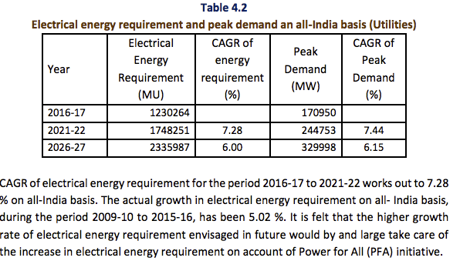
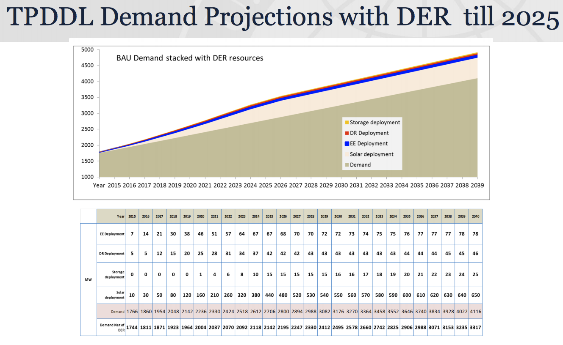
 |  |  |  | 6.8965517241

http://www.cea.nic.in/reports/committee/nep/nep_dec.pdf

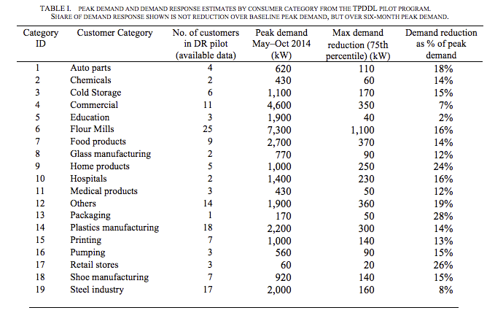

 |  |  |  |  |  |  |  |  |  | https://www.tatapower-ddl.com/UploadedDocuments/Presentation%20for%20USTDA%20Workshop%20250202015%20Ver%202.pdf

 | https://gig.lbl.gov/sites/default/files/lbnl_6987e_0.pdf

Source:CEA |  |  |  | in Giga Watt Hour = 106 Kilo Watt Hour
Year |  |  |  | Industry | Agriculture | Domestic | Commercial | Traction | Others | Total
 |  |  |  |  |  |  |  | & |  | Electricity
 |  |  |  |  |  |  |  | Railways |  | Consumed
1 |  |  |  | 2 | 3 | 4 | 5 | 6 | 7 | 8=2 to 7
2007-08 |  |  |  | 189,424 | 104,182 | 120,918 | 46,685 | 11,108 | 29,660 | 501,977
2008-09 |  |  |  | 209,474 | 109,610 | 131,720 | 54,189 | 11,425 | 37,577 | 553,995
2009-10 |  |  |  | 236,752 | 120,209 | 146,080 | 60,600 | 12,408 | 36,595 | 612,645
2010-11 |  |  |  | 272,589 | 131,967 | 169,326 | 67,289 | 14,003 | 39,218 | 694,392
2011-12 |  |  |  | 352,291 | 140,960 | 171,104 | 65,381 | 14,206 | 41,252 | 785,194
2012-13 |  |  |  | 365,989 | 147,462 | 183,700 | 72,794 | 14,100 | 40,256 | 824,301
2013-14 |  |  |  | 384,418 | 152,744 | 199,842 | 74,247 | 15,540 | 47,418 | 874,209
2014-15 |  |  |  | 418,346 | 168,913 | 217,405 | 78,391 | 16,177 | 49,289 | 948,522
2015-16 |  |  |  | 423,523 | 173,185 | 238,876 | 86,037 | 16,594 | 62,976 | 1,001,191
2016-17(P) |  |  |  | 426,665 | 195,473 | 259,311 | 98,333 | 17,217 | 69,269 | 1,066,268
Distribution (%) |  |  |  | 40.01 | 18.33 | 24.32 | 9.22 | 1.61 | 6.50 | 100.00
Growth rate of 2016-17 over 2015-16 (%) |  |  |  | 0.74 | 12.87 | 8.55 | 14.29 | 3.75 | 9.99 | 6.50
CAGR 2007-08 to 2016-17(%) |  |  |  | 8.46 | 6.50 | 7.93 | 7.73 | 4.48 | 8.85 | 7.82
(P): Provisional
Source : Central Electricity Authority.

http://mospi.nic.in/sites/default/files/publication_reports/Energy_Statistics_2018.pdf

